NL
Name | Year | Unit |  | Source
Pig farms | 2016 | number | 4508 | Agrimatie

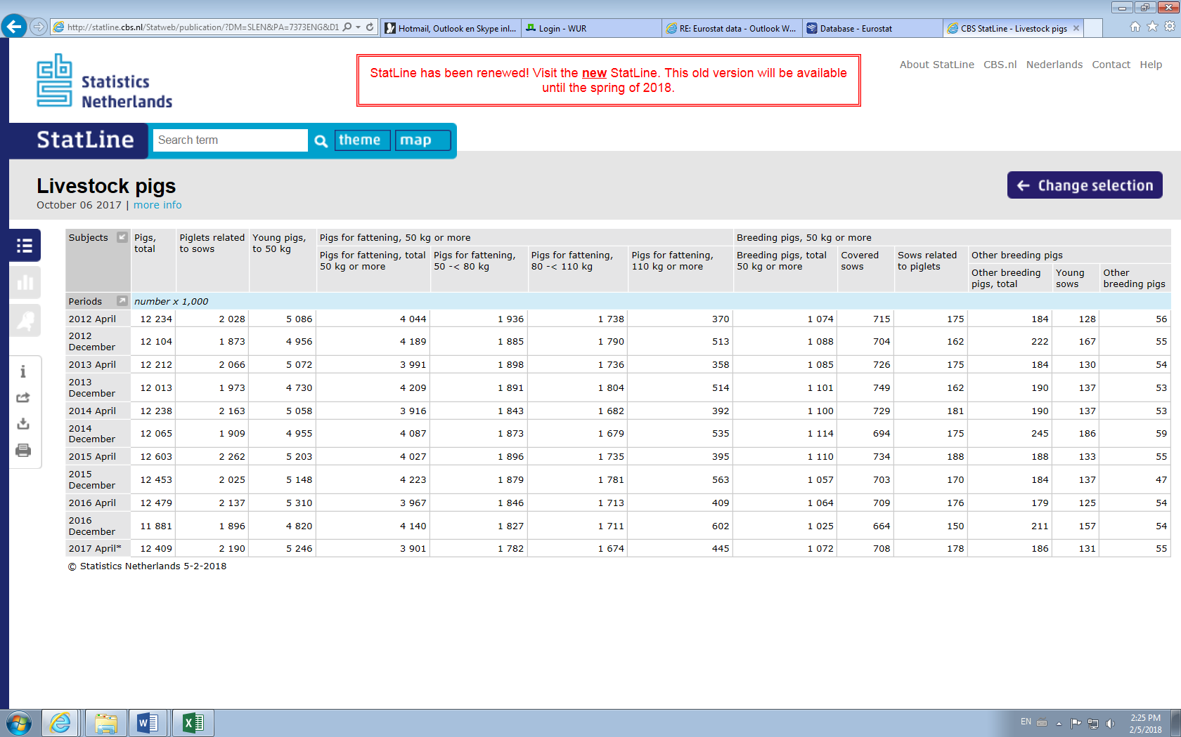
Name | Year | Unit | Value | Resource
Total pig number |  | Heads/year | 12,223,038 | Gleam
 | 2016 | Heads/year | 12,478,594 | Agrimatie
 | 2015 Dec | Thousand heads | 12,453 | CBS
 | 2016 Dec | Thousand heads | 11,881 | CBS | CBS
 | 2016 Dec | Thousand heads | 11,881 | Eurostat
 | 2017 April | Thousand heads | 12,409 | CBS
Total fattening pig number | 2016 | number | 5,726,290 | Agrimatie
Total sows number | 2016 | number | 930,976 | Agrimatie

Adult reproductive females |  | Heads/year | 826,969 | Gleam
Adult reproductive males |  | Heads/year | 33,079 | Gleam
 |  |  |  | CBS

Piglets(<20kg) | 2016 | thousand heads? | 4,986 | Eurostat
 | 2015 | thousand heads | 5,408 | Eurostat
 | 2016 | Thousand heads | 1,896 | CBS

Young pigs(20-50kg) | 2016 | Thousand heads | 4,820 | CBS
 | 2016 | thousand heads | 1,730 | Eurostat

Pigs for fattening(>50kg) | 2016 | Thousand heads | 4,140 | CBS
 | 2016 | Thousand heads | 4,140 | Eurostat

Breeding pigs | 2016 | thousand heads | 1,025 | Eurostat
 | 2015 | thousand heads | 1,057 | Eurostat
 | 2016 | Thousand heads | 1,025 | CBS
Breeding sows | 2016 | thousand heads | 1,022 | Eurostat
 | 2015 | thousand heads | 1,053 | Eurostat
Covered sows | 2016 | thousand heads | 664 | Eurostat
 | 2015 | thousand heads | 703 | Eurostat

Adult pigs | Year | Unit |  | Source
Live weight of adult female animals |  | Kg | 225 | Gleam
Live weight of adult male animals |  | Kg | 265 | Gleam
Age of first parturition |  | weeks | 65 | Gleam
Fertility of adult females |  | number/sows | 2.4 | Gleam

Piglets(20kg)+young pigs(20-50kg) | Year | Unit |  | Source
Gestation period |  | days | 115 | Gleam
Idle period |  | days | 14 | Gleam
Lactation period |  | days | 26 | Gleam
Weaning age |  | days | 26 | Gleam

Mortality of piglets before weaning |  | % | 12.9 | Gleam
Mortality of juvenile replacement animals(weaning~maturity) |  | % | 1.9 | Gleam
Weight of piglets at birth |  | kg | 1.2 | Gleam
Weight of weaned piglets |  | kg | 6.8 | Gleam
Litter size(no. of piglets born/parturition) |  | number | 13 | Gleam

Fattening pigs | Year | Unit |  | Source
Mortality of fattening animals |  | % | 2.5 | Gleam
Replacement of adult females |  | % | 42 | Gleam
Replacement of adult males |  | % | 80 | Gleam

Mortality of adult replacement animals |  | % | 5.0 | Gleam
Fertility of replacement female animals? |  | / |  | Gleam
Average slaughter live weight(Weight of fattening animals) |  | Kg | 115 | Gleam
Average daily weight gain |  | Kg/day | 0.66 | Gleam

Energy requirement | Variable | Unit |  | Source

ME main=0.444*LW^0.75*C (C=1.125for back,=1for in and in)
Net energy for maintenance Sows(idle) | NEmain | MJ/day/head | 25.79 | Gleam calculation
NE for maintenance Sows(gestation) | NEmain | MJ/day/head | 27.89 | Gleam calculation
NE for maintenance Sows(lactation) | NEmain | MJ/day/head | 17.03 | Gleam calculation
NE for maintenance Boars | NEmain | MJ/day/head | 32.81 | Gleam calculation
NE for maintenance Replacement females | NEmain | MJ/day/head | 7.33 | Gleam calculation
NE for maintenance Replacement males | NEmain | MJ/day/head | 11.88 | Gleam calculation
NE for maintenance Fattening animals | NEmain | MJ/day/head | 0.00 | Gleam calculation

ME gest=0.148*LITSIZE*C (C=1for sows,=1/AFCfor replacement females)
NE for gestationSows | ME gest | MJ/day/head | 1.92 | Gleam calculation
NE for getation Replacement females | ME gest | MJ/day/head | 1.54 | Gleam calculation

ME lact=LITSIZE*(1-0.5*(DR1/100))*(20.59*(Wkg-Ckg)/Lact)-(0.38/0.67)
NE for Lactation | Nelact | MJ/day/head | 53.37 | Gleam calculation

ME for growth
ME prot=DWG*Ptissuef*PROTconc*Cmeprot
ME fat=DWG*(1-PTissuef)*Fatconc*Cmefat
Net energy for growth Protein | NEg | MJ/day/head | 5.74 | Gleam calculation
Net energy for growth Fat | NEg | MJ/day/head | 9.32 | Gleam calculation

Total Energy Requirement
Sows | TER | MJ/day/head | 5619.83 | Gleam calculation
Boars | TER | MJ/day/head | 32.81 | Gleam calculation
Replacement females | TER | MJ/day/head | 13834.25 | Gleam calculation
Replacement males | TER | MJ/day/head | 26.93 | Gleam calculation
Fattening animals | TER | MJ/day/head | 15.06 | Gleam calculation

MEtot = total metabolizable energy required, MJ·animal-1·day-1
Gest = duration of gestation period, days
Lact = duration of lactation period, days
Idle = duration of idle period, days
AFC = age at first parturition, year

Output
Manure |  | Year | Unit | Industrial | Source
 | Pasture/range/paddock |  |  |  | Gleam
 | Daily spread |  | % total manure | 2 | Gleam
 | Solid storage |  | % total manure | 13.7 | Gleam
 | Dry lot |  | % total manure |  | Gleam
 | Liquid/slurry |  | % total manure |  | Gleam
 | Uncovered anaerobic lagoon |  | % total manure | 11.7 | Gleam
 | Pit storage for <1 month |  | % total manure | 2.8 | Gleam
 | Pit storage for >1 month |  | % total manure | 69.8 | Gleam
 | Anearobic digester |  | % total manure |  | Gleam

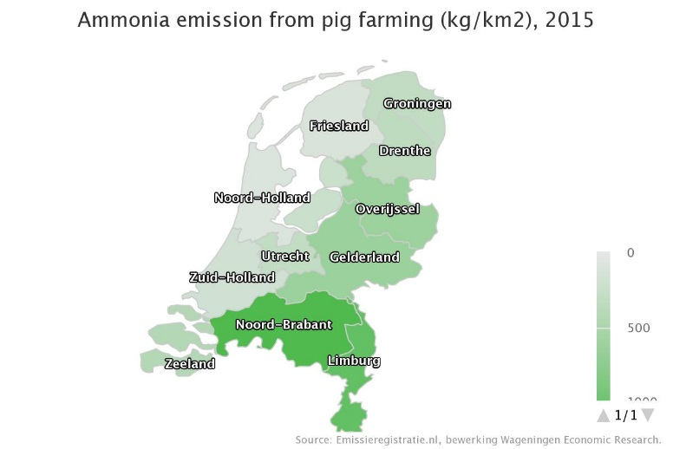
Ammonia emission (Pig farming)
 | Application, sow manure | 2014, 2015 | Kton NH3 | 3 | Agrimatie | Different region in NL (have accurate number each region)
 | Housing and storage, sow manure | 2015 | Kton NH3 | 3 | Agrimatie
 |  | 2014 | Kton NH3 | 4 | Agrimatie
 | Application, fattening pig manure | 2014, 2015 | Kton NH3 | 4 | Agrimatie
 | Housing and storage, fattening pig manure | 2014, 2015 | Kton NH3 | 10 | Agrimatie

Emission of particulate matter
 | Pig farming | 2015 | ton PM10 | 975 | Agrimatie

Emission intensity of meat
 |  |  | kg CO2-eq/kg protein | 54.2 | Gleam

Pork meat

 | Meat - carcass weight |  | kg CW/year | 2218411757.5 | Gleam
 | Total carcass weight of pigs slaughtered in slaughterhouses | 2016 | 1000 ton | 1,452.84 | Eurostat
 |  | 2016 | 1000 ton/year | 1327.94 | Eurostat calculate
 | Slaughter no. | 2016 | 1000 head/year | 15373.9 | Eurostat calculate

 |  | Slaughterings | Source:Eurostat
 | 2016 | 1000 tonnes | 1000 heads
 | Jan | 115.26 | 1,209.31
 |  | 114.27 | 1,200.91
 |  | 135.07 | 1,422.51
 |  | 118.45 | 1,248.03
 |  | 118.14 | 1,249.12
 |  | 138.37 | 1,474.51
 |  | 112.76 | 1,205.13
 |  | 122.22 | 1,304.49
 |  | 118.71 | 1,264.72
 |  | 110.71 | 1,176.10
 |  | 123.98 | 1,305.64
 | Dec | 124.91 | 1,313.43

SEM
Fuel
Total pig number |  | 12,223,038
 | 2016 | 12,478,594 |  |  |  | PIG SECTOR | 2016 | NL
 | 2015 Dec | 12,453
Electricity
Electricity
Electricity
 | 2016 Dec | 11,881
 | 2016 Dec | 11,881
Fuel
Fuel
 | 2017 April | 12,409
Antibiotics
Antibiotics
Antibiotics
Total fattening pig number | 2016 | 5,726,290
Land use
Land use
Human labour
Land use
Total sows number | 2016 | 930,976
Human labour
Blue water
Human labour
Feed
Blue water
Energy use
Feed
Energy use
Feed
Blue water
Energy use
Adult reproductive females |  | 826,969
Adult reproductive males |  | 33,079
Import
Import

Piglets(<20kg) | 2016 | 4,986
 | 2015 | 5,408
 | 2016 | 1,896

Fertility rate(2.4)
Fattening pigs (50kg-before slaughtered
4140
Young pigs(20-50kg) | 2016 | 4,820
 | 2016 | 1,730 |  |  |  |  |  |  | 2460
Piglets(<20kg) + Young pigs(20kg - 50kg)
6716
Breeding pigs(>50kg)
1025
Pigs for fattening(>50kg) | 2016 | 4,140 |  |  |  |  |  |  |  |  |  | Mortality of fattening animals | 2.5
 | 2016 | 4,140 |  |  |  |  |  |  |  |  |  | Replacement of adult females | 42
 |  |  |  |  |  |  |  |  |  |  |  | Replacement of adult males | 80
Breeding pigs | 2016 | 1,025
 | 2015 | 1,057 |  |  |  |  |  |  |  |  |  | Mortality of adult replacement animals | 5.0
Mortality
2.5
 | 2016 | 1,025 |  |  |  |  |  |  |  |  |  | Fertility of replacement female animals?
Breeding sows | 2016 | 1,022 |  |  |  |  |  |  |  |  |  | Average slaughter live weight(Weight of fattening animals) | 115
Export
Mortality
Mortality
no. of slaughered pigs
4036.5
 | 2015 | 1,053 | Fertility of adult females | number/sows | 2.4
Export
Covered sows | 2016 | 664
Go to slaugter house
4036.5*1000*115=464197500
 | 2015 | 703

Antibiotics
GHG
Antibiotics
GHG
Antibiotics
GHG
 |  |  |  |  |  |  |  |  |  | Mortality of piglets before weaning | 12.9
Adult pigs | Year |  |  |  |  |  |  |  |  | Mortality of juvenile replacement animals(weaning~maturity) | 1.9
Live weight of adult female animals |  | 225
Live weight of adult male animals |  | 265 |  |  |  |  |  |  |  | 6716*(1-0.019)*(1-0.129)=5738
Green water
Green water
Age of first parturition |  | 65
Green water
Fertility of adult females |  | 2.4 |  |  |  |  |  |  |  |  |  | Meat - carcass weight | kg CW/year | 2218411757.5

Piglets(<20kg) | Year
Gestation period |  | 115
Idle period |  | 14
Lactation period |  | 26
Weaning age |  | 26

Replacement
Mortality of piglets before weaning |  | 12.9
Mortality of juvenile replacement animals(weaning~maturity) |  | 1.9
Weight of piglets at birth |  | 1.2
Weight of weaned piglets |  | 6.8
Litter size(no. of piglets born/parturition) |  | 13

Fattening pigs | Year
Mortality of fattening animals |  | 2.5
Replacement of adult females |  | 42
Replacement of adult males |  | 80

Mortality of adult replacement animals |  | 5.0
Fertility of replacement female animals?
Average slaughter live weight(Weight of fattening animals) |  | 115
Average daily weight gain |  | 0.66

